About05124
versionV1: 2026
05124 - Roadway Surface & Repair Material - Pricing & Ordering

How to Use This Contract | 1. Review the Contractors to find pricing and information for each Manufacturer and Region.
 | 2. Purchaser Must reference the Enterprise Services Contract No. 05124 on your Agency's Purchase Order
 | 3. Review the specific Contractor information, availability, and pricing for each Contractor. It is advised Purchasers seek 2 proposals when there are multiple Contractors available among the awarded Contractors. Requesting 2 proposals is a best practice to allow for comparison. Contact the Contractor's Sales Representatives (Contacts) directly to consult about their products.
 | 3. Price Ceiling. The listed amounts represent the maximun price the Contractor can invoice/quote Purchasers. Contractors may offer lower prices than those published, however they may not offer anything higher.
 | 4. FAQs: For Frequently Asked Questions - see Frequently Asked Questions (FAQ) for common questions on this contract. https://apps.des.wa.gov/contracting/05124%20FAQ.docx

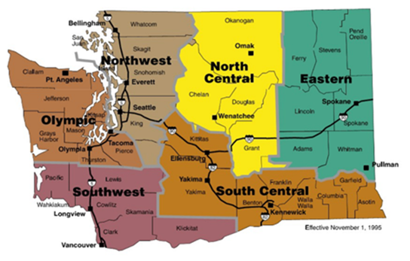

REGIONS
Northwest | Southwest | Olympic | North Central | South Central | Eastern
Island | Clark | Olympic | Chelan | Columbia | Adams
King | Cowlitz | Clallam | Kittitas | Franklin | Ferry
Pierce | Lewis | Grays Harbor | Okanogan | Garfield | Lincoln
San Juan | Pacific | Kitsap |  | Klickitat | Pend Oreille
Skagit | Skamania | Jefferson |  | Walla Walla | Spokane
Snohomish | Thurston |  |  | Yakima | Stevens
Whatcom | Wahkiakum | Mason |  |  | Whitman

