About 25223
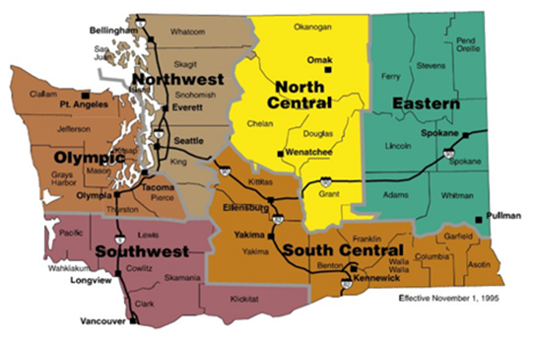
Exhibit B Price Sheet

25223 Linen and Laundry Services

This contract is for linen, uniform and garment rental and related laundry services for use by authorized purchasers located statewide. Rentals and services on this Contract are those necessary to accomplish the agency's mission. Contract items consist of uniforms, garments, flat linens, mats, and other accessory items normally offered in the contractor’s rental/launder program. This Contract does not cover the direct purchase of items sold by the vendor, only purchases of replacement rental items as required.

 | How to Use This Contract:
 | 1. Review the contractor tabs below to find pricing, product offerings, and information for each Contractor.
 | 2. Contact the sales representatives directly to consult about their products and services.

 |  | Cintas | Happy Laundry | U.S. Linen & Uniform | Vestis
 |  | North West | Eastern | North Central | North West
 |  | Olympic |  | South West | North Central
 |  |  |  | South Central | Olympic
 |  |  |  | Eastern | South West
 |  |  |  |  | South Central
 |  |  |  |  | Eastern

